use_guide
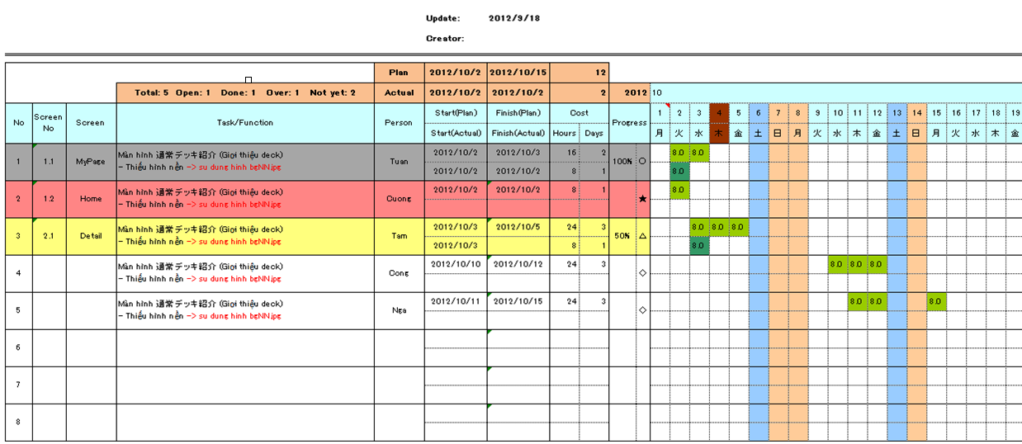

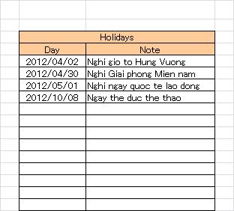

○ | cong viec da hoan thanh 100%

★ | cong viec da bi over deadline

△ | Cong viec dang thuc hien (dung nhu plan)

◇ | cong viec chua start

